QUOTE
 |  |  |  |  | #REF!
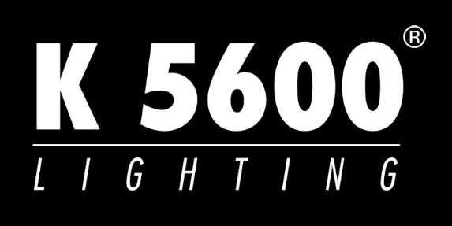

 |  |  |  | Proposal Date : | 2016-05-23
 |  |  |  | Valid through : | 2016-06-22

Finance the NEW KURVE for as little as 2.99% for 36 months

To calculate your monthly payment, Input the quantity of each item in the |  |  |  | boxes below.

Product |  | Qty | Unit Cost |  | Total Cost
Kurve3 | 3.0 Foot Diameter Umbrella Kit | 1 | $5,990 |  | $5,990
Kurve4.5 | 4.5 Foot Diameter Umbrella Kit | 1 | $6,910 |  | $6,910
Kurve6 | 6.0 Foot Diameter Umbrella Kit | 1 | $8,120 |  | $8,120

Each includes: Umbrella, Focus Tube for mounting 800W & 1600W Jokers with HT Leads & 2 - Pyrex Shields and Counter Light Reflector, Focus Tube with Baby Pin for mounting flashes, etc., Umbrella Yoke Mount w/Crank and 3 - Diffusion (Full, Half, Quarter).

Fabric Grids |  | 1 | $900 |  | $900
Hard cases |  | 2 | $750 |  | $1,500

Joker-Bug 1600W Kit |  | 1 | $9,560 |  | $9,560
Joker-Bug 800W Kit |  | 1 | $6,990 |  | $6,990

Each includes: Head w/9ft. Cable, Clear Glass UV protection Beaker, Frosted Glass UV protection Beaker, Safety Wire, Lamp 5600K SE w/UV Stop, Electronic power supply - 110V/240V, 50/60Hz, 25 ft. Extension cable, Beamer Optical accessory, Fresnel Frosted lens with ring, Super Wide Flood lens with ring, Wide Flood lens with ring, Medium Flood lens with ring, 2ea. Full Double scrim, Full Single scrim, Four leaf Barndoor, Frosted Glass UV protection Beaker, Lens Bag and Carrying case.

Other K5600 Equipment not listed above to be financed |  | (insert total)

APPLY NOW
 |  |  | Total Package: |  | $39,970.00

 |  | Payments as low as: |  |  | $1,162.33

Payments based on 36 month term with a $1 Buyout. Other terms from 24 - 60 months are available, rates will vary. Final payments subject to credit approval. Program requires First and Last Payment due at signing along with a documentation/UCC Filing fees of up to $295 depending on transaction size. Quoted payments do not include taxes. Quotes are subject to credit approval by Madison Capital and may change without notice. Rates are for companies in business 2+ years. Other programs available for newer businesses. Valid in United States, Canada and Puerto Rico.

Financing provided by MADISON CAPITAL
Direct: 443.796.7344 - Cell: 917.825.9626 - Shamburg@MadisonCapital.com - www.MadisonCapital.com

